Pages

Page 1 mean page

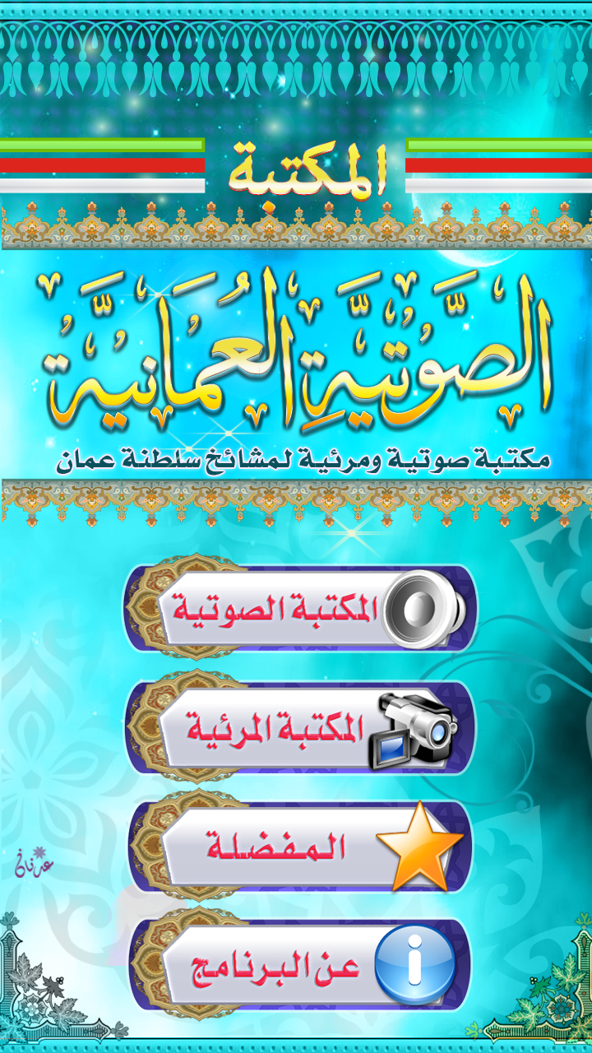

 | 1 | Sound button
 | 2 | Video button
 | 3 | Favorite button
 | 4 | About the App button

1

2

3

4

Page 2 Sound button Categories page

Categories 2
Categories 1
Categories 3
Categories 4
Categories / اقسام الصوتيات
top ber
 |  | top ber have
 |  | Home Icon
 |  | search icon
 |  | share icon
 |  | add to Favorite icon

Page 3 Sound button Sub-Categories page

Sub-Categories 2
Sub-Categories 1
Sub-Categories 3
Sub-Categories 4
Sub-Categories / فصول الصوتيات
top ber

Page 4 Sound button title of the sound pag

title of the sound 2
title of the sound 1
title of the sound 3
title of the sound 4
title of the sound / اسماء الصوتيات
top ber

top ber

title of the sound

Search Page
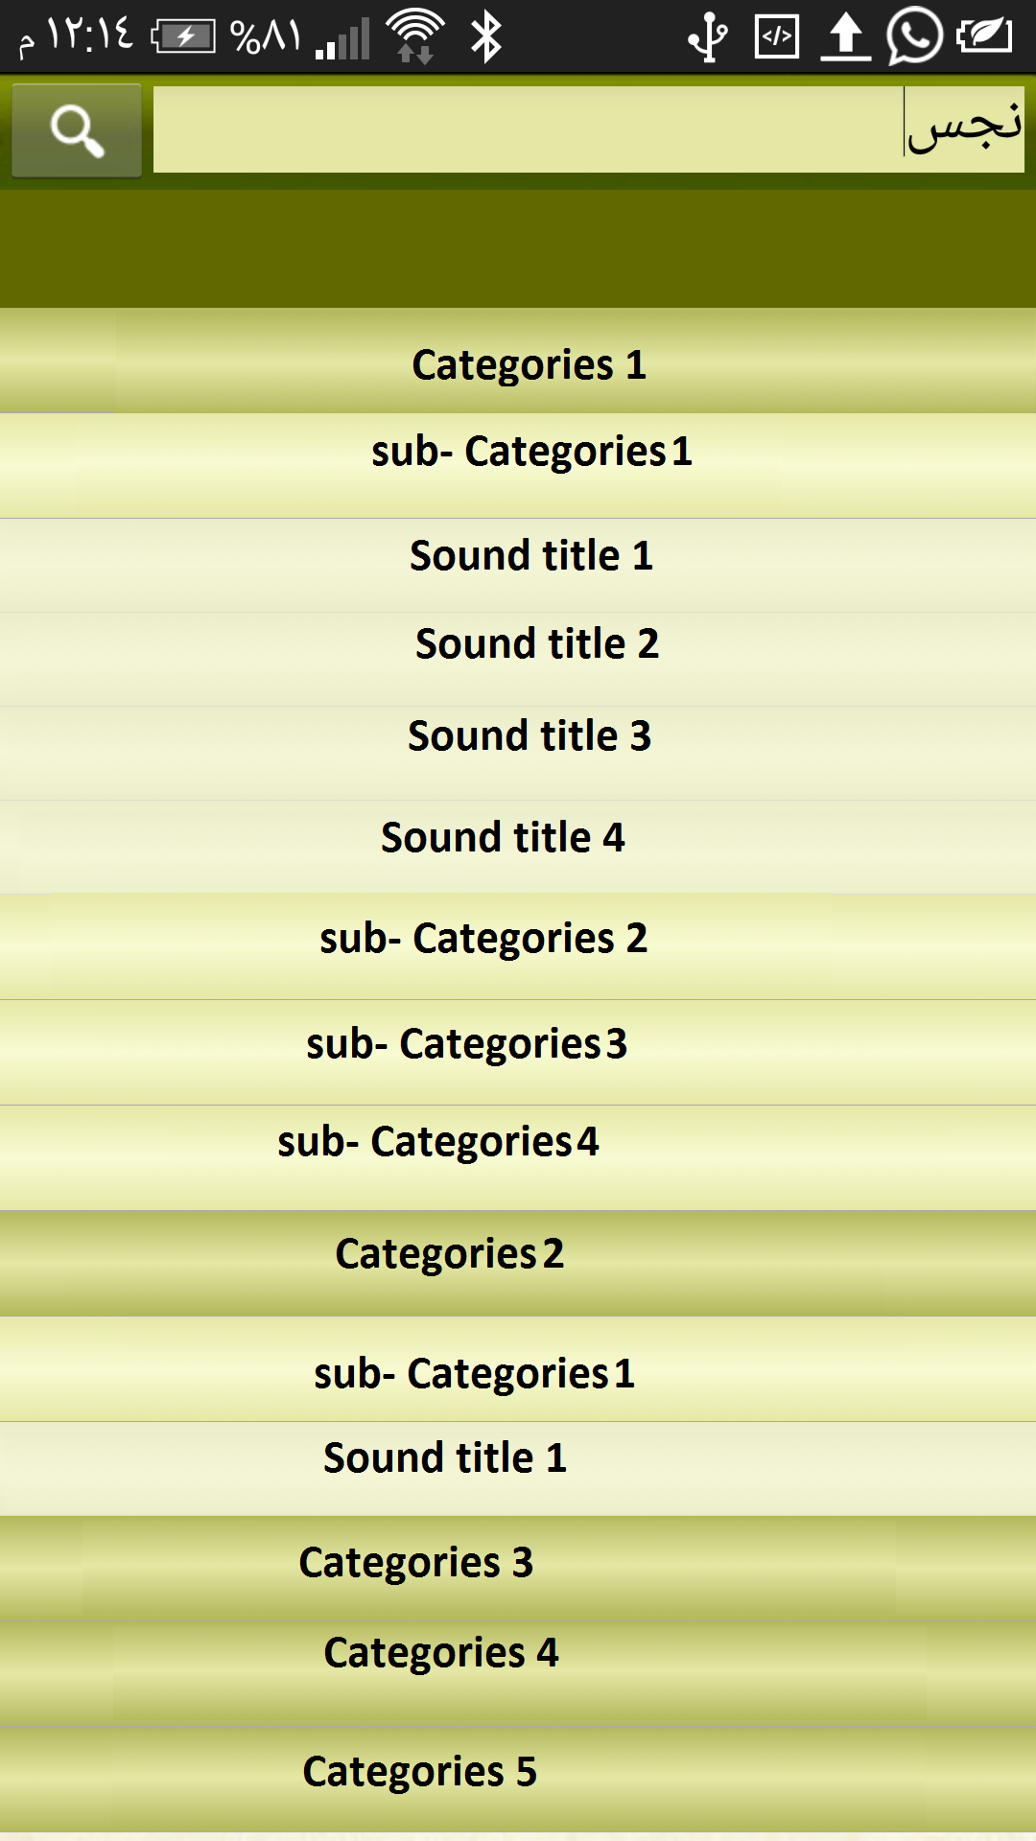
 | Search Page for Sound and Video

 |  | Search section
select the libraly
Sound |  |  | search

 |  | Filter section

select the singer |  | select the Categories
singer 1

 | the result will show like this blow

